Welcome
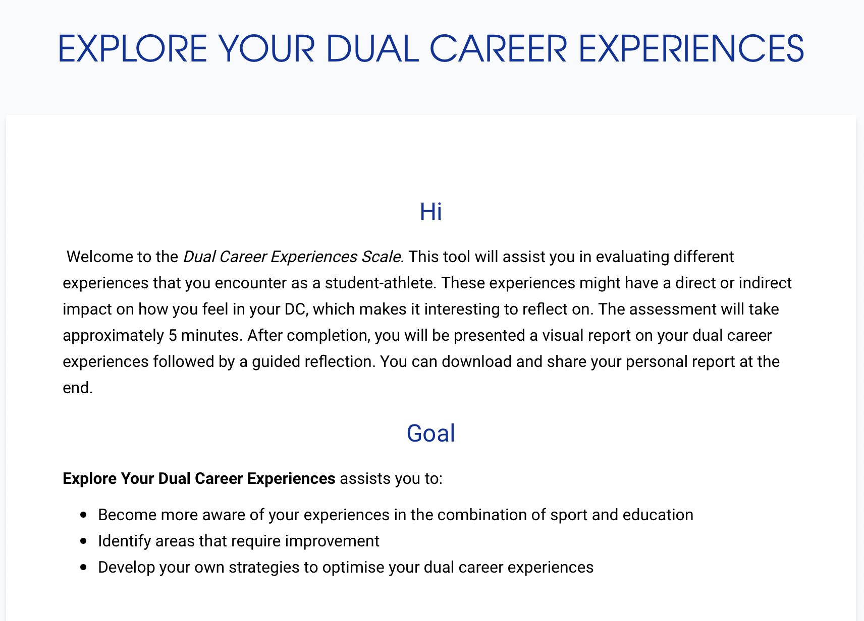

 | This tool was developed by the VRIJE UNIVERSITEIT BRUSSEL as part of the Erasmus+ Sport project: 'Dual Careers for Mental Health' (DC4MH).

 | The final online version of this tool will soon be available on www.dualcareertools.com

 | If you want more information on this tool and/or the DC4MH project, please consult our website or contact prof. dr. Koen De Brandt of the Vrije Universiteit Brussel:
 | koen.de.brandt@vub.be
 | https://spmb.research.vub.be/dc4mh



Please open the next tab to start the survey | Scan or click to go the Dual Career Tools online platform

Profile and reflections
DC experiences
I am good in shifting priorities between sport, studies and social life to maintain a healthy balance
I am good in managing my daily routines
I am good in maintaining strong social relationships with important others (e.g. family, friends)
I cope well with stressful situations that arise from my dual career
I plan my career in the long-term
I adapt well to changing situations (e.g. moving to a new place, change of school, change of team)
I feel that I develop myself as a person
I feel I have a good balance in life
I feel I can put setbacks into perspective and learn lessons from them
I am able to develop a broad social network
I have a sense of long-term security (e.g. having a backup plan)
I can develop other interests besides sports
I am lacking time for rest or recovery
I experience time pressure because of many obligations (e.g., at school, sport, private life)
I experience tension between my dual career and my private life
I experience financial pressure
I miss out on social activities due to my busy schedule
I experience tension between my athlete and student roles
I get the necessary flexibility from my school so that I can combine my studies with sport
The support I receive helps me to maintain my mental health and wellbeing
I get the necessary flexibility from my sport environment so that I can combine my sport with studies
I feel supported to make my own decisions regarding my dual career
I get support from my inner circle (i.e. close family and friends) for my dual career
I get support from my coach for my dual career
Negative DC Experiences Reversed | GUIDED REFLECTION
5
5
5 | DC competencies and benefits reflect your ability to effectively manage a dual career and the benefits you derive from this combination. | YOUR DC Competencies and benefits SCORE | Which of these DC competencies and benefits do you find most important for your psychological wellbeing? Why? | What DC competencies and benefits do you feel are less evident in your experience? Can you think of reasons why this is the case? What could be small actions and steps to develop some of these competencies and/or (consequently) experience these benefits more? | General DC experiences reflect your overall positive experiences whilst engaging in a dual career, including your competencies and benefits, the absence of negative experiences, and the perceived support | YOUR General DC experiences SCORE | Do you recognize yourself within these results? Why (not)? Do you feel that something is missing?
5 |  | #DIV/0! |  |  |  | 5
5
5

 | Negative DC experiences reflect the challenges and stressors you experience whilst engaging in a dual career. | YOUR Negative DC experiences SCORE | Which of these negative experiences do you think are having an impact on your psychological wellbeing? Why? Do you have any other negative DC experiences that are missing? | What did you learn from these negative experiences? How can these experiences help you to prepare for future DC challenges?
 |  | #DIV/0!

 | DC support reflects the extent and quality of support you perceive from your environment to engage in a dual career. | YOUR DC support SCORE | Are you happy with the support you receive? Which of those aspects of DC support are most important for your psychological wellbeing? | What kind of support are you missing? Think about (a) some persons in your environment to who you could talk to about the DC support you receive and (b) what you would discuss with him/her to optimise the support (e.g., openly discuss reciprocal expectations, communication style …)?
 |  | #DIV/0!

